Crime statistics
WSSM Area Reported Crimes by Month, Aug 2018 - Aug 2020
 | # of crimes reported
Feb-18 | 39
Mar-18 | 48
Apr-18 | 35
May-18 | 46
Jun-18 | 50
Jul-18 | 41
Aug-18 | 43
Sep-18 | 56
Oct-18 | 51
Nov-18 | 53
Dec-18 | 53
Jan-19 | 44
Feb-19 | 29
Mar-19 | 27
Apr-19 | 36
May-19 | 25
Jun-19 | 36
Jul-19 | 44
Aug-19 | 33
Sep-19 | 27
Oct-19 | 40
Nov-19 | 22
Dec-19 | 26
Jan-20 | 27
Feb-20 | 29
Mar-20 | 30
Apr-20 | 40
May-20 | 59
Jun-20 | 26
Jul-20 | 35
WSSM-area crime reports by type of location, Feb 2018 - Aug 2020
Aug-20 | 37

COMMERCIAL | 594
RESIDENTIAL | 593

DESCRIPTION | COUNT

BURGLARY (entry of structure w | 317
BURGLARY FROM VEHICLE | 197
THEFT - PETTY (plain theft-pet | 132
VEHICLE, STOLEN | 104
THEFT FROM VEHICLE - PETTY ($9 | 77
THEFT FROM VEHICLE - GRAND ($9 | 66
THEFT-GRAND (plain theft-grand | 57
BICYCLE - STOLEN | 42
ROBBERY (taking property of an | 42
ASSAULT WITH DEADLY WEAPON (AD | 41
SHOPLIFTING - PETTY THEFT ($95 | 40
BURGLARY - ATTEMPTED | 21
ROBBERY - ATTEMPTED | 9
BRANDISHING WEAPON, EXHIBITING | 8
THEFT FROM PERSON | 8
SHOPLIFTING - GRAND THEFT ($95 | 5
SPOUSAL (cohab) ABUSE - AGGRAV | 5
DESCRIPTION | 2
RAPE, FORCIBLE (any age, non c | 2
THEFT - ATTEMPTED (plain theft | 2
ARSON | 1
ASSAULT, NON-AGG: Hands, Feet, | 1
CHILD ABUSE (physical) - AGGRA | 1
DRIVING WITHOUT OWNER CONSENT | 1
PICKPOCKET - PICKPURSE (form o | 1
PURSESNATCH (form of grand the | 1
RAPE, ATTEMPTED | 1
THEFT FROM COIN MACHINE - ATTE | 1
THEFT FROM VEHICLE - ATTEMPTED | 1
VEHICLE, ATTEMPTED STOLEN | 1

Crimes reported by time of day, Feb 2018 - Sep 2019

Hour of day | Commercial | Residential
Midnight - 6 a.m. | 13% | 11%
6 a.m. - noon | 19% | 18%
Noon - 6 p.m. | 43% | 29%
6 p.m. - Midnight | 24% | 42%

West LA crime trend
Change in West LA reported crimes, 2018 to 2020
 | % change 2018 to 2020
Homicide | 100%
Rape (121,122) | -43%
Rape (815,820,821) | -59%
Robbery | -39%
Aggravated assaults | -12%
TOTAL VIOLENT | -27%
 | 0%
Burglary | -15%
Motor vehicle theft | 38%
Burglary/theft from motor vehicle | -10%
Personal/Other theft | -9%
TOTAL PROPERTY | -6%
Change in West LA reported crimes, 2019 to 2020
Homicide | 300%
Rape (121,122) | -16%
Rape (815,820,821) | -42%
Robbery | -14%
Aggravated assaults | -6%
TOTAL VIOLENT | -10%
 | 0%
 | 0%
 | 0%
Burglary | -3%
Motor vehicle theft | 58%
Burglary/theft from motor vehicle | -1%
Personal/Other theft | -13%
TOTAL PROPERTY | -1%
As of 7/18/20 (year to date) | 2018 | 2019 | 2020 | % change 2018 to 2020 | % change 2019 to 2020
Homicide | 2 | 1 | 4 | 100% | 300%
Rape (121,122) | 28 | 19 | 16 | -43% | -16%
Rape (815,820,821) | 17 | 12 | 7 | -59% | -42%
Robbery | 181 | 128 | 110 | -39% | -14%
Aggravated assaults | 190 | 178 | 168 | -12% | -6%
TOTAL VIOLENT | 418 | 338 | 305 | -27% | -10%

Burglary | 839 | 737 | 712 | -15% | -3%
Motor vehicle theft | 314 | 274 | 432 | 38% | 58%
Burglary/theft from motor vehicle | 1121 | 1024 | 1014 | -10% | -1%
Personal/Other theft | 1127 | 1174 | 1025 | -9% | -13%
TOTAL PROPERTY | 3401 | 3209 | 3183 | -6% | -1%

Source: LAPD (http://assets.lapdonline.org/assets/pdf/wlaprof.pdf )

Includes crime reports from:
Bel Air, Benedict Canyon, Beverly Crest, Beverly Glen, Beverlywood, Brentwood, Century City, Cheviot Hills, Crestview, Glen Ridge, Pacific Palisades, Rancho Park, Roscomare Valley, Rustic Canyon, San Vicente, Sawtelle, West Los Angeles, Westwood

Burglary locations May 30-31
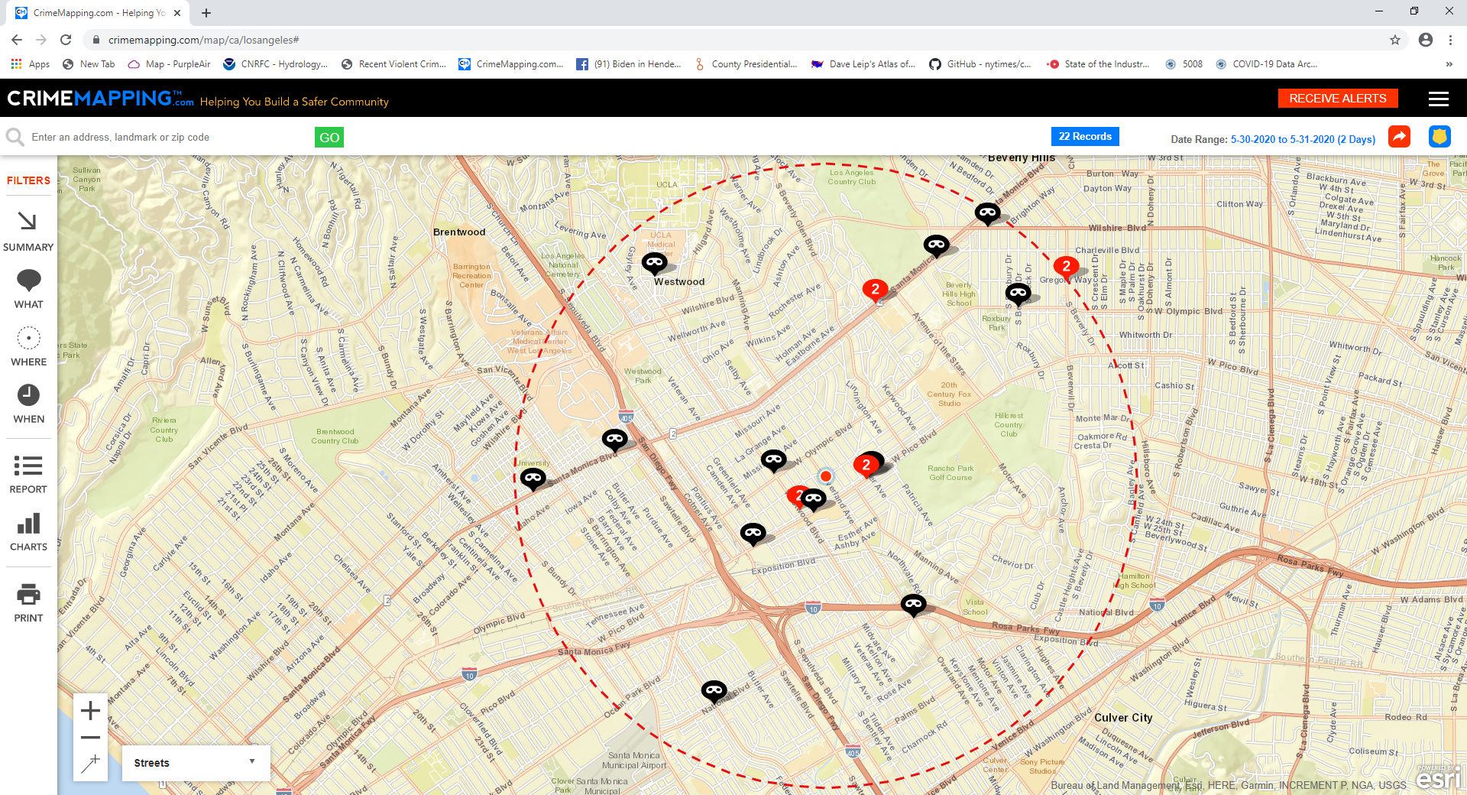

7 break-ins, 10500 block of Pico, May30-31

